Daily Power Station Chart_14-01
Plant_03/01/2025Chart

Plant:odco1 |  |  | Installed Capacity:111.180kWp
Today Yield(kWh):541.900kWh |  | Today Earning:216760.000TND |  | Today Full Load Hours(h):4.87h

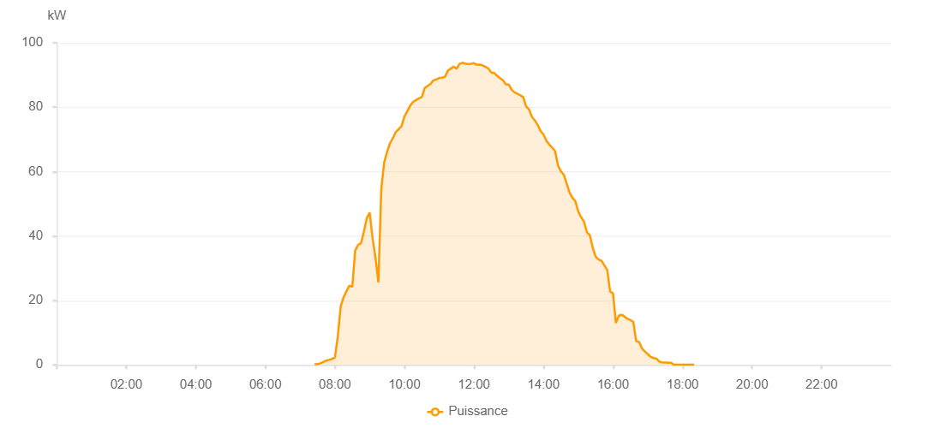

Number | Time | Working State | PV(W) | Instantaneous Radiation(W/㎡)
1 | 07:25:00 | Online | 270.00000 | 0
2 | 07:30:00 | Online | 170.00000 | 0
3 | 07:35:00 | Online | 520.00000 | 1.00000
4 | 07:40:00 | Online | 910.00000 | 3.00000
5 | 07:45:00 | Online | 1340.00000 | 9.00000
6 | 07:50:00 | Online | 1560.00000 | 12.00000
7 | 07:55:00 | Online | 1870.00000 | 17.00000
8 | 08:00:00 | Online | 2210.00000 | 22.00000
9 | 08:05:00 | Online | 8910.00000 | 28.00000
10 | 08:10:00 | Online | 18200.00000 | 115.00000
11 | 08:15:00 | Online | 21010.00000 | 222.00000
12 | 08:20:00 | Online | 22910.00000 | 249.00000
13 | 08:25:00 | Online | 24600.00000 | 276.00000
14 | 08:30:00 | Online | 24220.00000 | 289.00000
15 | 08:35:00 | Online | 35510.00000 | 328.00000
16 | 08:40:00 | Online | 37280.00000 | 358.00000
17 | 08:45:00 | Online | 37750.00000 | 397.00000
18 | 08:50:00 | Online | 41340.00000 | 168.00000
19 | 08:55:00 | Online | 45560.00000 | 475.00000
20 | 09:00:00 | Online | 47300.00000 | 515.00000
21 | 09:05:00 | Online | 39360.00000 | 536.00000
22 | 09:10:00 | Online | 33320.00000 | 317.00000
23 | 09:15:00 | Online | 25620.00000 | 250.00000
24 | 09:20:00 | Online | 54500.00000 | 397.00000
25 | 09:25:00 | Online | 62830.00000 | 605.00000
26 | 09:30:00 | Online | 66070.00000 | 597.00000
27 | 09:35:00 | Online | 68770.00000 | 603.00000
28 | 09:40:00 | Online | 70370.00000 | 622.00000
29 | 09:45:00 | Online | 72270.00000 | 636.00000
30 | 09:50:00 | Online | 73210.00000 | 657.00000
31 | 09:55:00 | Online | 74100.00000 | 672.00000
32 | 10:00:00 | Online | 77100.00000 | 688.00000
33 | 10:05:00 | Online | 78790.00000 | 692.00000
34 | 10:10:00 | Online | 80510.00000 | 709.00000
35 | 10:15:00 | Online | 81670.00000 | 721.00000
36 | 10:20:00 | Online | 82210.00000 | 730.00000
37 | 10:25:00 | Online | 82760.00000 | 742.00000
38 | 10:30:00 | Online | 83140.00000 | 752.00000
39 | 10:35:00 | Online | 85950.00000 | 763.00000
40 | 10:40:00 | Online | 86600.00000 | 771.00000
41 | 10:45:00 | Online | 87160.00000 | 779.00000
42 | 10:50:00 | Online | 88340.00000 | 789.00000
43 | 10:55:00 | Online | 88620.00000 | 799.00000
44 | 11:00:00 | Online | 89090.00000 | 803.00000
45 | 11:05:00 | Online | 89170.00000 | 808.00000
46 | 11:10:00 | Online | 89460.00000 | 813.00000
47 | 11:15:00 | Online | 91380.00000 | 821.00000
48 | 11:20:00 | Online | 91990.00000 | 825.00000
49 | 11:25:00 | Online | 92590.00000 | 827.00000
50 | 11:30:00 | Online | 91950.00000 | 833.00000
51 | 11:35:00 | Online | 93450.00000 | 835.00000
52 | 11:40:00 | Online | 93800.00000 | 838.00000
53 | 11:45:00 | Online | 93570.00000 | 840.00000
54 | 11:50:00 | Online | 93360.00000 | 837.00000
55 | 11:55:00 | Online | 93510.00000 | 837.00000
56 | 12:00:00 | Online | 93670.00000 | 841.00000
57 | 12:05:00 | Online | 93180.00000 | 838.00000
58 | 12:10:00 | Online | 93220.00000 | 837.00000
59 | 12:15:00 | Online | 92980.00000 | 837.00000
60 | 12:20:00 | Online | 92550.00000 | 836.00000
61 | 12:25:00 | Online | 91950.00000 | 832.00000
62 | 12:30:00 | Online | 90790.00000 | 829.00000
63 | 12:35:00 | Online | 90630.00000 | 827.00000
64 | 12:40:00 | Online | 89740.00000 | 825.00000
65 | 12:45:00 | Online | 89050.00000 | 813.00000
66 | 12:50:00 | Online | 88370.00000 | 812.00000
67 | 12:55:00 | Online | 87130.00000 | 802.00000
68 | 13:00:00 | Online | 87070.00000 | 793.00000
69 | 13:05:00 | Online | 85420.00000 | 794.00000
70 | 13:10:00 | Online | 84620.00000 | 784.00000
71 | 13:15:00 | Online | 84190.00000 | 771.00000
72 | 13:20:00 | Online | 83670.00000 | 765.00000
73 | 13:25:00 | Online | 83140.00000 | 757.00000
74 | 13:30:00 | Online | 80230.00000 | 747.00000
75 | 13:35:00 | Online | 79350.00000 | 736.00000
76 | 13:40:00 | Online | 77030.00000 | 727.00000
77 | 13:45:00 | Online | 75900.00000 | 715.00000
78 | 13:50:00 | Online | 74500.00000 | 707.00000
79 | 13:55:00 | Online | 72590.00000 | 692.00000
80 | 14:00:00 | Online | 71550.00000 | 680.00000
81 | 14:05:00 | Online | 69550.00000 | 665.00000
82 | 14:10:00 | Online | 68410.00000 | 653.00000
83 | 14:15:00 | Online | 67440.00000 | 638.00000
84 | 14:20:00 | Online | 66390.00000 | 620.00000
85 | 14:25:00 | Online | 61900.00000 | 611.00000
86 | 14:30:00 | Online | 60080.00000 | 593.00000
87 | 14:35:00 | Online | 59060.00000 | 578.00000
88 | 14:40:00 | Online | 56290.00000 | 561.00000
89 | 14:45:00 | Online | 53500.00000 | 543.00000
90 | 14:50:00 | Online | 51860.00000 | 528.00000
91 | 14:55:00 | Online | 50800.00000 | 511.00000
92 | 15:00:00 | Online | 47610.00000 | 496.00000
93 | 15:05:00 | Online | 45850.00000 | 476.00000
94 | 15:10:00 | Online | 44440.00000 | 459.00000
95 | 15:15:00 | Online | 41140.00000 | 439.00000
96 | 15:20:00 | Online | 40260.00000 | 421.00000
97 | 15:25:00 | Online | 36360.00000 | 397.00000
98 | 15:30:00 | Online | 33570.00000 | 377.00000
99 | 15:35:00 | Online | 32720.00000 | 356.00000
100 | 15:40:00 | Online | 32350.00000 | 338.00000
101 | 15:45:00 | Online | 30910.00000 | 318.00000
102 | 15:50:00 | Online | 29470.00000 | 56.00000
103 | 15:55:00 | Online | 22740.00000 | 50.00000
104 | 16:00:00 | Online | 22250.00000 | 47.00000
105 | 16:05:00 | Online | 13000.00000 | 48.00000
106 | 16:10:00 | Online | 15270.00000 | 45.00000
107 | 16:15:00 | Online | 15570.00000 | 42.00000
108 | 16:20:00 | Online | 14980.00000 | 40.00000
109 | 16:25:00 | Online | 14320.00000 | 38.00000
110 | 16:30:00 | Online | 13900.00000 | 35.00000
111 | 16:35:00 | Online | 13360.00000 | 33.00000
112 | 16:40:00 | Online | 7340.00000 | 31.00000
113 | 16:45:00 | Online | 7090.00000 | 28.00000
114 | 16:50:00 | Online | 5060.00000 | 25.00000
115 | 16:55:00 | Online | 4160.00000 | 24.00000
116 | 17:00:00 | Online | 3330.00000 | 20.00000
117 | 17:05:00 | Online | 2480.00000 | 18.00000
118 | 17:10:00 | Online | 2120.00000 | 15.00000
119 | 17:15:00 | Online | 1910.00000 | 13.00000
120 | 17:20:00 | Online | 1020.00000 | 9.00000
121 | 17:25:00 | Online | 700.00000 | 6.00000
122 | 17:30:00 | Online | 740.00000 | 2.00000
123 | 17:35:00 | Online | 670.00000 | 0
124 | 17:40:00 | Online | 670.00000 | 0
125 | 17:45:00 | Online | 40.00000 | 0
126 | 17:50:00 | Online | 40.00000 | 0
127 | 17:55:00 | Online | 40.00000 | 0
128 | 18:00:00 | Online | 40.00000 | 0
129 | 18:05:00 | Online | 40.00000 | 0
130 | 18:10:00 | Online | 40.00000 | 0
131 | 18:15:00 | Online | 40.00000 | 0
132 | 18:20:00 | Online | 40.00000 | 0
133 | 18:40:00 | Online | 0.00001 | 0.00001

